Arkusz1
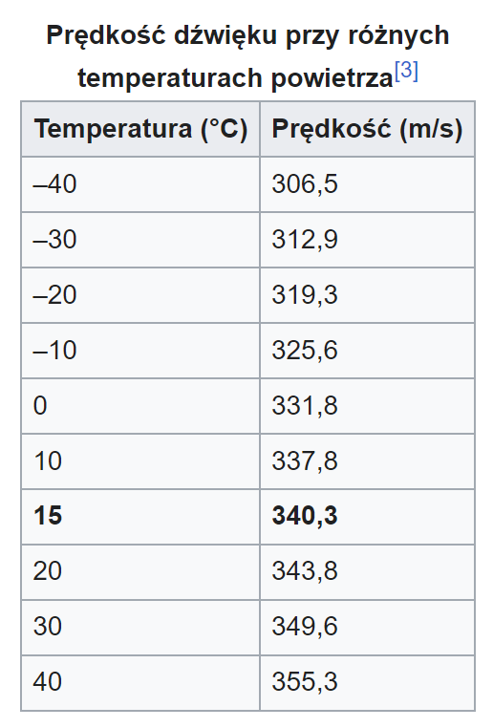
Lp. | 2,5 kHz |  | 2,75 kHz |  | 3 kHz |  |  | λ - 2,5 kHz [m] | λ - 2,75 kHz [m] | λ - 3 kHz [m]
 | s1 [m] | s2 [m] | s1 [m] | s2 [m] | s1 [m] | s2 [m] |  | 0.1 | 0.09 | 0.1
1 | 0.023 | 0.09 | 0.057 | 0.099 | 0.028 | 0.079 | U(λ) | 1.6E-02 | 1.6E-02 | 1.6E-02
2 | 0.022 | 0.094 | 0.06 | 0.12 | 0.03 | 0.088 |  | 1,3 ± 1,6E-02 m | 0,90 ± 1,6E-02 m | 1,2 ± 1,6E-02 m
3 | 0.02 | 0.1 | 0.056 | 0.099 | 0.022 | 0.09 |  | υ - 2,5 kHz [m/s] | υ - 2,75 kHz [m/s] | υ - 3 kHz [m/s]
4 | 0.027 | 0.088 | 0.062 | 0.098 | 0.022 | 0.086 |  | 33 | 25 | 35
5 | 0.027 | 0.088 | 0.063 | 0.115 | 0.02 | 0.086 | U(υ) | 4.1 | 4.5 | 4.9
6 | 0.028 | 0.088 | 0.061 | 0.098 | 0.028 | 0.082 |  | 331 ± 4,1 m/s | 246 ± 4,5 m/s | 352 ± 4,9 m/s
7 | 0.028 | 0.097 | 0.059 | 0.099 | 0.027 | 0.086
8 | 0.028 | 0.088 | 0.061 | 0.098 | 0.025 | 0.086
9 | 0.028 | 0.098 | 0.054 | 0.099 | 0.027 | 0.082
10 | 0.027 | 0.088 | 0.06 | 0.116 | 0.029 | 0.08
AVG | 0.0258 | 0.0919 | 0.0593 | 0.1041 | 0.0258 | 0.0845
 | AVG - s1 | AVG - s2 | AVG - s1 | AVG - s2 | AVG - s1 | AVG - s2
1 | 0.0028 | 0.0019 | 0.0023 | 0.0051 | -0.0022 | 0.0055
2 | 0.0038 | -0.0021 | -0.0007 | -0.0159 | -0.0042 | -0.0035
3 | 0.0058 | -0.0081 | 0.0033 | 0.0051 | 0.0038 | -0.0055
4 | -0.0012 | 0.0039 | -0.0027 | 0.0061 | 0.0038 | -0.0015
5 | -0.0012 | 0.0039 | -0.0037 | -0.0109 | 0.0058 | -0.0015
6 | -0.0022 | 0.0039 | -0.0017 | 0.0061 | -0.0022 | 0.0025
7 | -0.0022 | -0.0051 | 0.0003 | 0.0051 | -0.0012 | -0.0015
8 | -0.0022 | 0.0039 | -0.0017 | 0.0061 | 0.0008 | -0.0015
9 | -0.0022 | -0.0061 | 0.0053 | 0.0051 | -0.0012 | 0.0025
10 | -0.0012 | 0.0039 | -0.0007 | -0.0119 | -0.0032 | 0.0045
 | (AVG - s1)^2 | (AVG - s2)^2 | (AVG - s1)^2 | (AVG - s2)^2 | (AVG - s1)^2 | (AVG - s2)^2
1 | 0.00000784 | 0.00000361 | 0.00000529 | 0.00002601 | 0.00000484 | 0.00003025
2 | 0.00001444 | 0.00000441 | 0.00000049 | 0.00025281 | 0.00001764 | 0.00001225
3 | 0.00003364 | 0.00006561 | 0.00001089 | 0.00002601 | 0.00001444 | 0.00003025
4 | 0.00000144 | 0.00001521 | 0.00000729 | 0.00003721 | 0.00001444 | 0.00000225
5 | 0.00000144 | 0.00001521 | 0.00001369 | 0.00011881 | 0.00003364 | 0.00000225
6 | 0.00000484 | 0.00001521 | 0.00000289 | 0.00003721 | 0.00000484 | 0.00000625
7 | 0.00000484 | 0.00002601 | 0.00000009 | 0.00002601 | 0.00000144 | 0.00000225
8 | 0.00000484 | 0.00001521 | 0.00000289 | 0.00003721 | 0.00000064 | 0.00000225
9 | 0.00000484 | 0.00003721 | 0.00002809 | 0.00002601 | 0.00000144 | 0.00000625
10 | 0.00000144 | 0.00001521 | 0.00000049 | 0.00014161 | 0.00001024 | 0.00002025
Ua | 8.8E-07 | 2.4E-06 | 8.0E-07 | 8.1E-06 | 1.2E-06 | 1.3E-06
Ub | 5.8E-03 | 5.8E-03 | 5.8E-03 | 5.8E-03 | 5.8E-03 | 5.8E-03
Uc | 5.8E-03 | 5.8E-03 | 5.8E-03 | 5.8E-03 | 5.8E-03 | 5.8E-03

